1. Title Page
[Project Name]

Project Name: Instacart Grocery Basket Analysis
Date: May 6, 2023
Analyst Name: Wilton Ngo

Contents:
Population Flow
Consistency checks
Wrangling steps
Column derivations
Visualizations
Recommendations

“The Instacart Online Grocery Shopping Dataset 2017”, Accessed from www.instacart.com/datasets/grocery-shopping-2017 via Kaggle on .

2. Population Flow
 |  | Title page

Population flow

Exclusion flag
Condition: max_order < 99
Obervations to be removed: N/A
Final total count of order_products_all: 32404859

Orders_products_combined
Orders_products_merged
Orders_products_all

Total:32404859
Total: :32434489
Total:
 | 32404859

1.) The grey boxes in the first row of the population flow represent the original data sets as they were when you downloaded them. In the Total fields you need to add the count of the rows when you imported the data set into Jupyter.
2.) The second row of boxes (coloured) represents the data sets after you manipulated them, e.g., removed missing values and duplicates. In the Total fields you need to add the count of the rows after conducting these operations. This offers a visual oveview of how the data flows throughout the data consistency checks.
3.) The third row, where also the arrows are coloured, represents the merges you performed between the datasets. In the Total fields you need to add the count of the rows in the merged datasets, so that you end up with the final dataset (in the red box). Keep in mind the final dataset should be without exclusions (based on the exclusion flag).

Increase Numbers mean we had to add rows like using the if Condition to categorize certain Data. We also merge dataset to add certain information that we might need.
Decrease Numbers mean we had to remove columns that isn't necessary. Clean data like removing duplicates and uncessary data

3. Consistency checks
 |  |  |  | Title page
Consistency checks

Dataset | Missing values | Missing values treatment | Duplicates
orders | 26029 | Couldn't drop because there a new customers order for the first time. | None
products | 16 | dropped from Dataset | Removed 5 Duplicates from the Dataset
orders_products_prior | None | None | None
customers | None | None | None

4. Wrangling steps
 |  |  |  | Title page
Wrangling steps

Columns dropped | Columns renamed | Columns' type changed | Comment/Reason
eval_set |  |  | Did not contained Important information
 | order_dow to Order_days_of week |  | More clairty
 |  | order_id to string | Id Numbers should be represented as string
 | days_since_prior_order to days_since_last_order |  | Clarity
_merge |  |  | Did not contained Important information
 | First Name to first_name |  | consistency naming pratice
 | Surnam to last_name |  | consistency naming pratice
 | Gender to gender |  | consistency naming pratice
Unamed:0 |  |  | Did not contain important information
 | STATE to state |  | consistency naming pratice
 | Age to age |  | consistency naming pratice
 | n_dependants to dependants_number |  | consistency naming pratice
 | fam_status to family status |  | consistency naming pratice

5. Column derivations
 |  |  |  | Title page

Column derivations and aggregations

In this tab you should add tables below that the frequences of flags/label variables that you produced after deriving them. NB: don't do this for continuous variables, only for flags.
Dataset | New column | Column/s it was derived from | Conditions
ords_product_merged | prices_range | prices | pricces > 5 & prices<= 15 = Mid Range Product
 |  |  | prices <= low Range Product = Low Range Product
 |  |  | prices > 15 = High Range Product
ords_product_merged | result | order_day_of_week | 0 = Busiest Day
 |  |  | 4 = Least Busy
 |  |  | All other value = Regular Busy
ords_product_merged | Busiest_day | order_day_of_week | Saturday (0) and Sunday (1) -- Busiest day
 |  |  | Wedneday (4) and Wuesday (3) -- Least busy
 |  |  | All other values -- Regularly busy
ords_product_merged | Busiest Period of the day | order_hour_of_day | if hour in [10, 11, 14, 15, 13, 12, 16, 9] = 'Most Orders'
 |  |  | hour in [23, 6, 0, 1, 5, 2, 4, 3]: = 'Fewest Orders'
 |  |  | All other Hours == 'Average Orders'
ords_product_merged | loyatly_flag | max_order | ['max_order']> 40 = Loyal Customer
 |  |  | max_order' <= 40 & 'max_order' > 10 = 'Regular Customer'
 |  |  | max order <= 10 = 'New customer'
ords_prods_merged | spending flag | avg_price | ['avg_price'] >= 10 = High Spender
 |  |  | ['avg_price'] <= 10 = 'Low Spender'
ords_prods_merged | order_freq_flag | Median_freq | ['Meidan_Freq'] > 20 = Non Frequent Customer
 |  |  | ['Meidan_Freq'] > 10 & Meidan_Freq <= 20 = Regular Customer
 |  |  | ['Meidan_Freq'] <= 10 = Frequent Customer
ords_products_all | Region | state | States were placed into the Region Using the Wikipedia
ords_products_all | activity_customers | max_order | max_order < 5 -- High activity max order >= 5 -- good activity
ords_product_all | Customer_profile | income, dependants_number,age department_id
 |  |  | number_of_dependents >=1 & department_id = 18 -- New Parent number of dependets = 0 and age < 65 -- Single Adult number of dependets = 0 and age >= 65 -- Retired Adult number_of_dependents >= 1, income < 50000 and deparment_id != 18 -- Single parent number_of_dependents >= 1, income >= 50000 and deparment_id != 18 -- Partnered parent

6. Visualizations
 |  |  |  |  |  |  | Title page

Visualisations

In this tab you should include all the visualtions from Exercises 4.9 and 4.10, alongside the questions from the project brief that they answer. Include any commentary on the relationship between different variables.

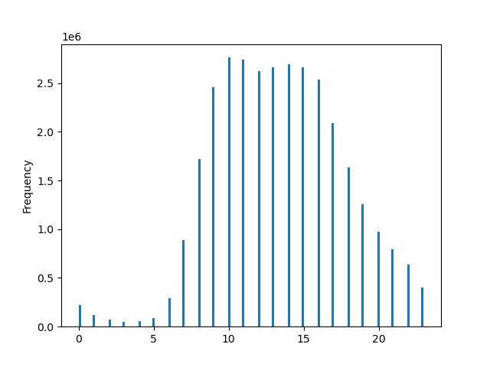

 |  |  |  | Total Order by the day of the Week
 | Total Orders thoughout the day
 |  |  | The peak time is: |  |  |  |  | Total Orders by Region
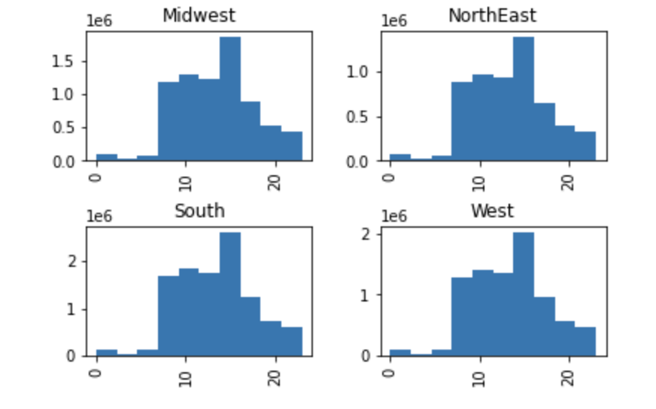
 |  |  | 10 am to 6pm is when |  |  |  |  |  |  | The West and South have orders
 |  |  | people order the most |  |  | Saturday(0) is the Busiest day |  |  |  | of 2 million or more orders for
 |  |  | items |  |  | While Wednesday (4 ) |  |  |  | their Region. Instacart users
 |  |  |  |  |  | is the elast busy |  |  |  | come from there

 |  |  |  |  |  | 0= Saturday
 |  |  |  |  |  | 1= Sunday
 |  |  |  |  |  | 2= Monday
 |  |  |  |  |  | 3= Tuesday
 |  |  |  |  |  | 4=Wednesday
 |  |  |  |  |  | 5=Thursday
 |  |  |  |  |  | 6=Friday
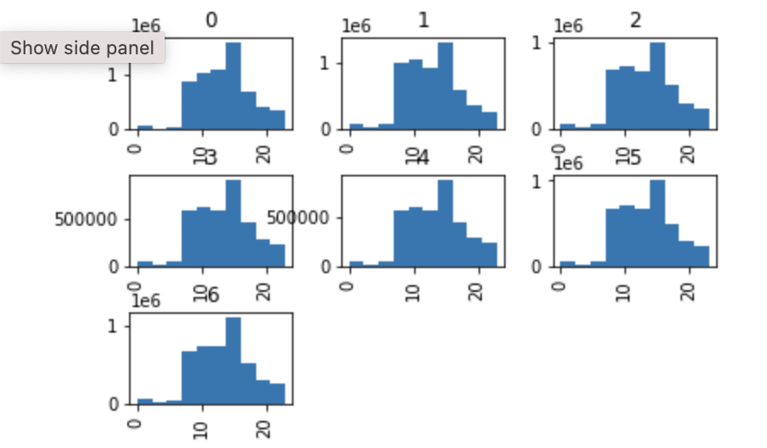
 |  | Hour of the Day
 |  |  |  |  | Days of the week

Relationship bewteen the hour of the day and Proudct Price |  |  |  | Relationship bewteen the Age and Income |  |  |  |  | Relationship bewteen the Hours of Orders and the Week they order
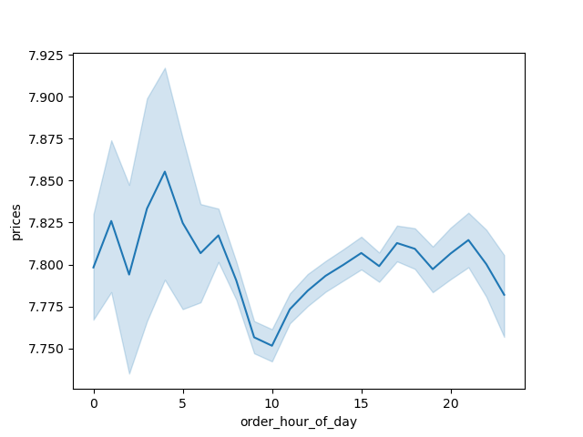


 |  |  | It shows us the that the most |  |  |  |  |  |  | InstaCart most purchases
 |  |  | expensive items are being |  |  |  |  |  |  | take place in the Weekend
 |  |  | purcahsed at 3 am. Where |  |  | We can see the most customers |  |  |  | Where as the least purchse
 |  |  | as the least expensive items |  |  | older they get have a higher |  |  |  | take place in the Weekday
 |  |  | are being bought at 10 |  |  | opportunity to earn more than
 |  |  |  |  |  | $200,000

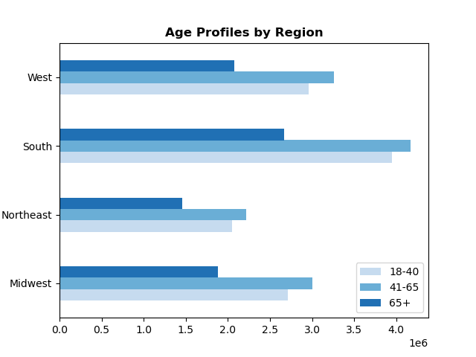
 |  |  |  | Relationship Bewteen Age Groups and Region
 | Relationship bewteen Age and number of _dependeants

 |  |  |  |  |  | Most of InstaCart users
 |  |  | That Age 20 is 60 is when |  |  | are the age group bewteen
 |  |  | people have the most |  |  | 41-65,
 |  |  | dependeneants

 | Relationship Bewteen Age and Department

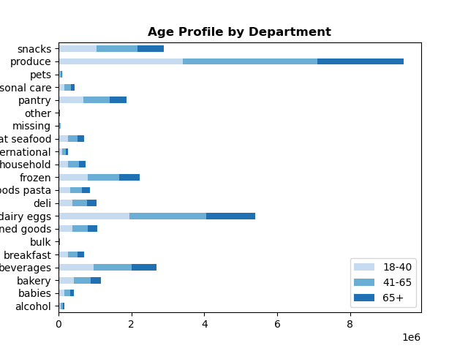
 |  |  | Produce is the favorite Department
 |  |  | by the different Age Prfofile
 |  |  | followed by dairy eggs.

7. Recommendations
 |  |  |  |  |  |  | Title page

Recommendations

In this tab you should include any recommendations you would made to Instcart in terms of their marketing strategy based on the questions posed in the brief. Every key question has been covered in the Tasks of the Exercises - here you need to add an item - a visualisation or table/crosstable that is showing the answer in the data, acompanied by a comment from you. Please, list the questions below and add the answer underneath.

The Sales team needs know what the busiest days of the week and hours of the day are (the days and times with the most orders) in order to schedule ads to times when there are fewer orders

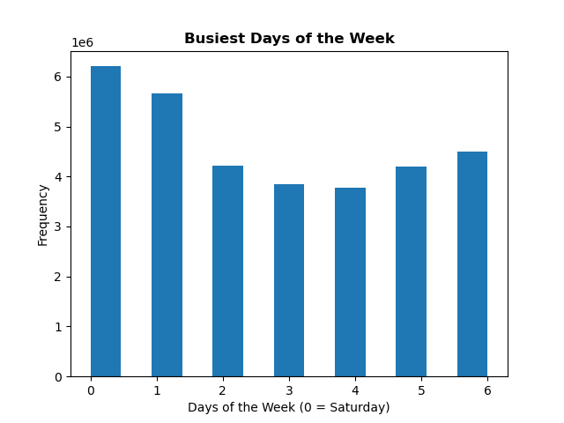
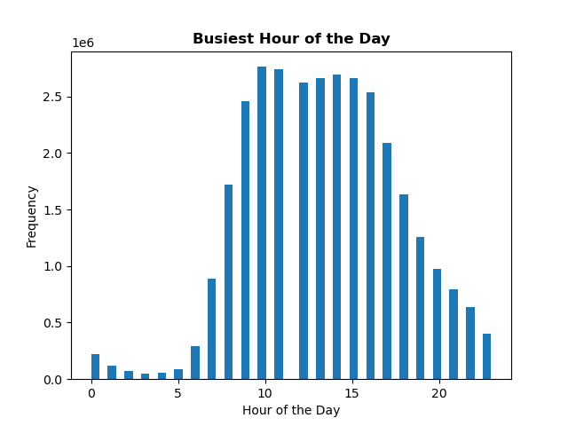

 |  |  |  | The Busiest day of the week is Saturday and Sunday followed by the busiest hours 10 to 6 pm. Which sold about 2.5 million items
 |  |  |  | The slowest order period is midnight and 6pm where they sold about 250 thousand items.

They also want to know whether they are particular times of the day when people spend the most money, this as might inform the types of product they advertise at these times

 |  |  | Relatonship bewteen the price and Hour of the Day

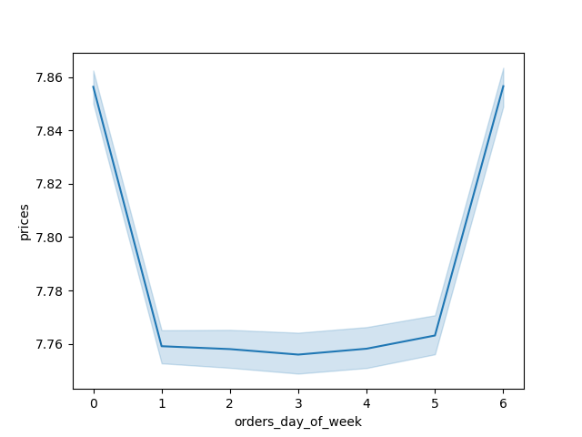
 |  |  |  |  |  |  | The most expensive items is at Midnight and 6pm
 |  |  |  |  |  |  | because there is not a lot fo people ordering
 |  |  |  |  |  |  | at the morning. So the peak is 6pm to 10pm
 |  |  |  |  |  |  | prices started to drop is when people order the most
 |  |  |  |  |  |  | since that is when they have free time and off at work
 |  |  |  |  |  |  | Best time to Advertse is at night

 |  |  |  |  |  |  | Friday and Saturday is when people order the most
 |  |  |  |  |  |  | expensive items in preparation for weekend activites

Instacart has a lot of products with different price tags. Marketing and sales want to use simpler price range groupings to help direct their efforts.
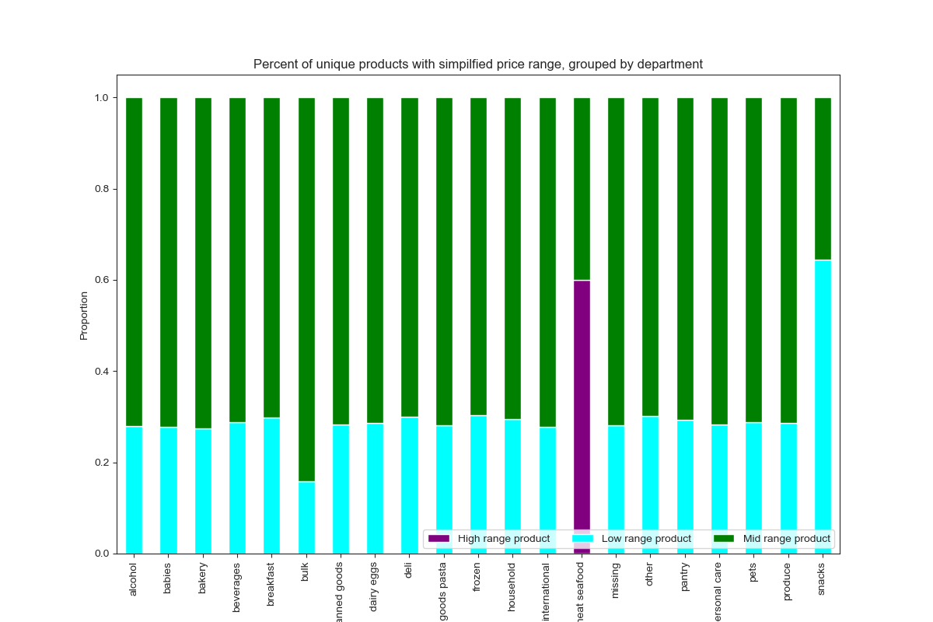
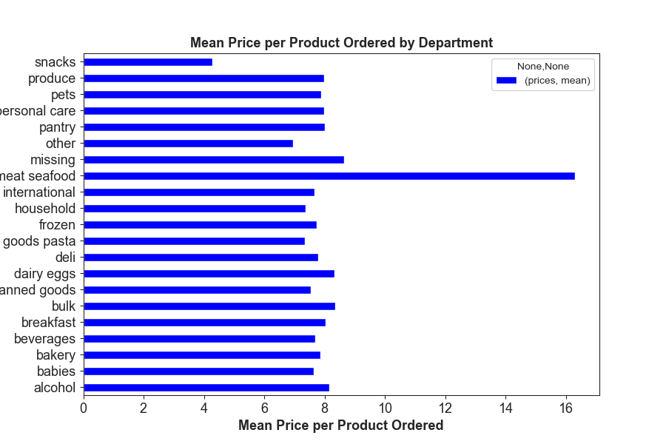

 |  |  |  |  |  |  |  |  | Only Meat & Food has High Percentage Products
 |  |  |  |  |  |  |  |  | Snacks Department sold the most out of the Low Range Product
 |  |  |  |  |  |  |  |  | Bulk Department sold the most of Mid range Products

What’s the distribution among users in regards to their brand loyalty (i.e., how often do they return to Instacart)?

 |  | Distribution of Customer Base According to loyatly Status
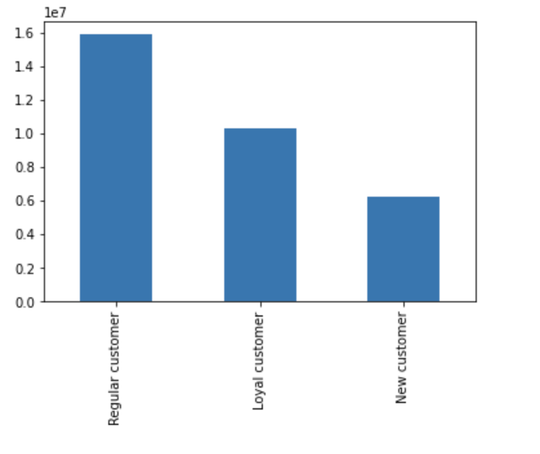
 |  |  |  |  |  | There are 1.6 Million Regular Customers. Loyal Customers had about 1 Million Customers
 |  |  |  |  |  | Regular customers are customers who order every 10 days and once every 20 Days.
 |  |  |  |  |  | Loyal customers are over more than once every 10 days

 | Million

What are certain type of Products that are most popular than others? The marketing and Sales team want to know which departments have the highest frequency of purchase

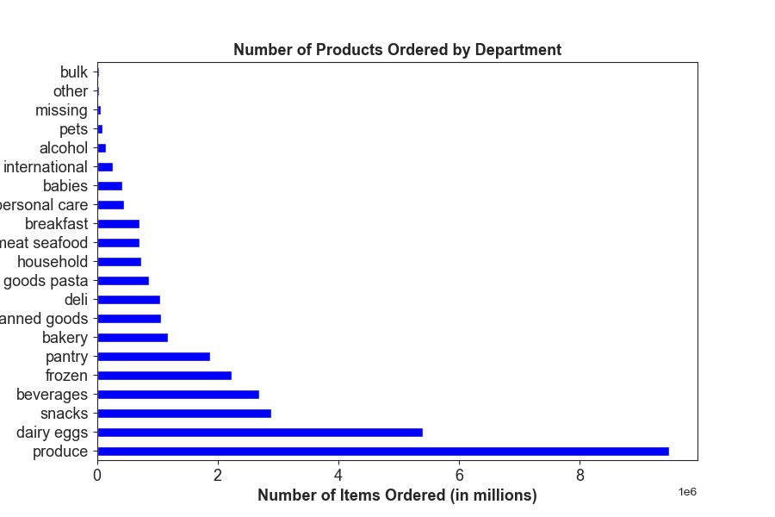

 |  |  |  |  | Customers order most Frequently from the Produce, Dairy & Eggs, Snacks and beverages

 |  | Department ID

Are there differences in ordering habits based on a customer’s region?

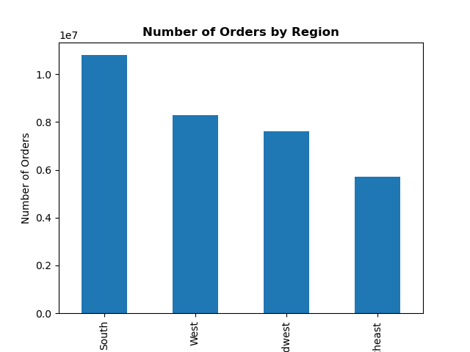
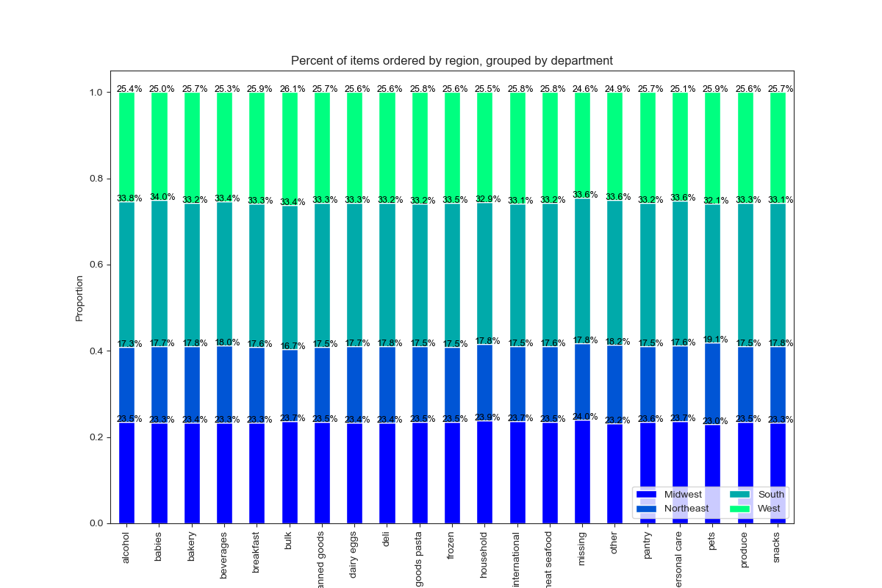
 |  |  |  |  |  |  |  | In Region of United States customers order
 |  |  |  |  |  |  |  | item in nearly the same proporton as the customer base in the region.

 |  | Region

